Final Standings and All Confere
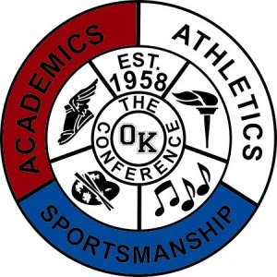

Sport | Girls Bowling

Division | Blue

School Year | 2020-2021

AD Name | James Hogan

1st Team All-Conference |  | Honorable Mention All-Conference
Name/Pos | School | Name/Pos | School
Jessica Plichta | Fruitport | Lauren Vander Maas | Unity
Brynna Hanson | Fruitport | Jazzy Hill | Coops
Marissa Stanton | Unity | Avery Burk | Coops
Oakleigh Chase | Fruitport | Miniya Lothschutz | Coops
Alyssa Ridder | Unity
Raegan Dykstra | Fruitport
Kayla VanLinden | West Cath

Sport | Girls Bowling

Division | Blue

School Year | 2020-2021

AD Name | James Hogan

Pre Season Tourney | Place | Regular Season | Record
Fruitport | 1 | Fruitport | 4-0
Unity Christian | 2 | Unity Christian | 3-1
Coopersville | 3 | Coopersville | 2-2
West Catholic | 4 | West Catholic | 1-3
Allendale | 5 | Allendale | 0-4

Post Season Tourney | Place | Final Standings | Finish Place
Fruitport | 1 | Fruitport | 1
Unity Christian | 2 | Unity Christian | 2
Coopersville | 3 | Coopersville | 3
West Catholic | 4 | West Catholic | 4
Allendale | 5 | Allendale | 5

